Q1 2022 fruit purchased
Table 1: The amount of fruit we purchased in Quarter 1 (Q1) 2022.
Name | Group | Amount (kilograms) | Price (pounds) | Notes
Raspberries | Berries | 20 | 20 | None
Cranberries | Berries | 5 | 15 | None
Stawberries | Berries | 30 | 30 | We got a discount due to underipe products
Oranges | Citrus fruit | 15 | 40 | None
Lemons | Citrus fruit | 8 | 20 | Make sure they are ripe enough
Bananas | Tropical fruit | 19 | 56 | None
Total | Not applicable | 97 | 181 | Not applicable

Graph 1: The amount of fruit purchased in Q1 2022. The graph shows the data recorded in Table 1.
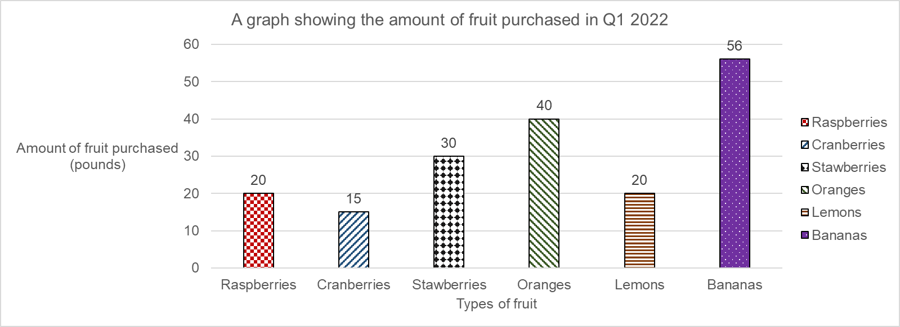

Table 2: The amount of fruit that needed to be discarded from the takings in Q1 2022.
Name | Group | Amount (kilograms) | Price (pounds) | Reason
Raspberries | Berries | 2.3 | 0.5 | Mould was detected
Cranberries | Berries | 0 | 0 | None were discarded
Stawberries | Berries | 7 | 8 | Some were not ripe enough to use
Oranges | Citrus fruit | 15 | 40 | All were discarded due to disease
Lemons | Citrus fruit | 0 | 0 | None were discarded
Bananas | Tropical fruit | 0 | 0 | None were discarded
Total | Not applicable | 24.3 | 48.5 | Not applicable

Graph 2: The amount of fruit discarded in Q1 2022. The graph shows the data recorded in Table 2.
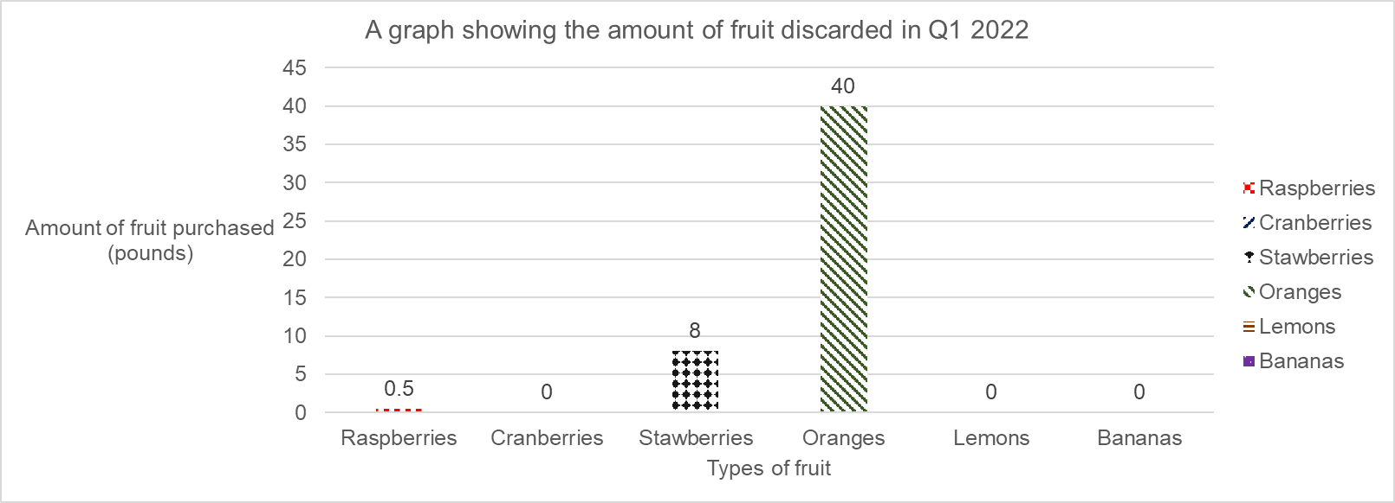

Table 3: The net amount of fruit that was available to use in Q1 2022.
Name | Amount (kilograms) | Price (pounds)
Purchased | 97 | 181
Discarded | 24.3 | 48.5
Total | 72.7 | 132.5

Q2 2022 fruit purchased
Table 4: The amount of fruit we purchased in Quarter 2 (Q2) 2022.
Name | Group | Amount (kilograms) | Price (pounds) | Notes
Raspberries | Berries | 31 | 40 | None
Cranberries | Berries | 7 | 18 | None
Stawberries | Berries | 28 | 26.5 | We got a discount due to underipe products
Oranges | Citrus fruit | 19 | 47 | None
Lemons | Citrus fruit | 8 | 20 | Make sure they are ripe enough.
Bananas | Tropical fruit | 19 | 56 | None
Total | Not applicable | 112 | 207.5 | Not applicable

Graph 3: The amount of fruit purchased in Q2 2022. The graph shows the data recorded in Table 4.
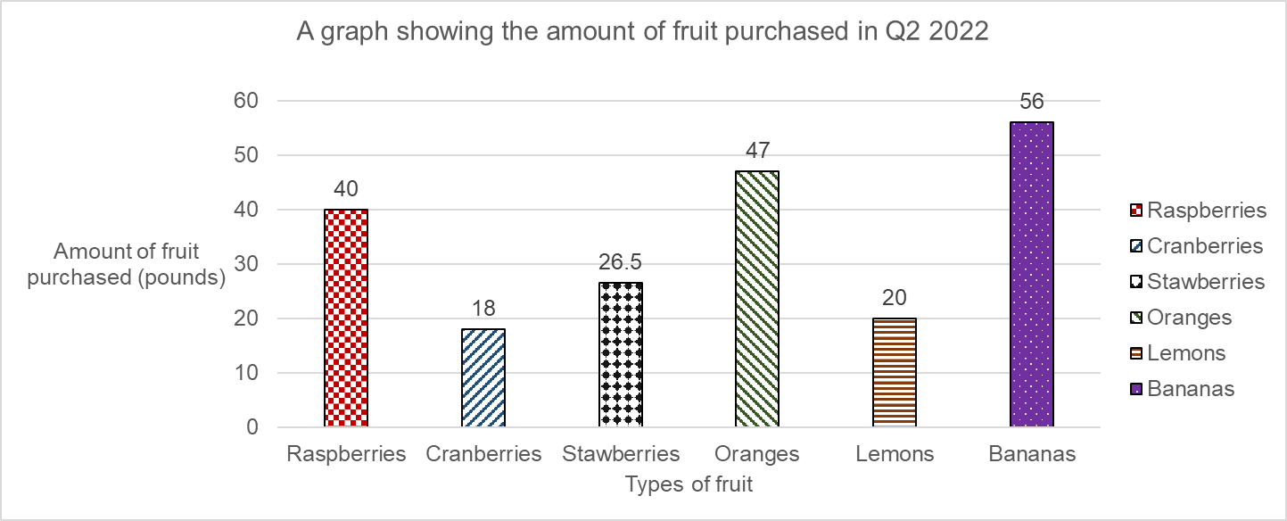

Table 5: The amount of fruit that needed to be discarded from the takings in Q2 2022.
Name | Group | Amount (kilograms) | Price (pounds) | Reason
Raspberries | Berries | 0 | 0 | None were discarded
Cranberries | Berries | 0.1 | 0 | A few were too badly bruised to use
Stawberries | Berries | 10 | 9 | Some were not ripe enough to use
Oranges | Citrus fruit | 11 | 32 | Some were discarded due to disease
Lemons | Citrus fruit | 0 | 0 | None were discarded
Bananas | Tropical fruit | 0 | 5 | None were discarded
Total | Not applicable | 21.1 | 46 | Not applicable

Graph 4: The amount of fruit discarded in Q2 2022. The graph shows the data recorded in Table 5.
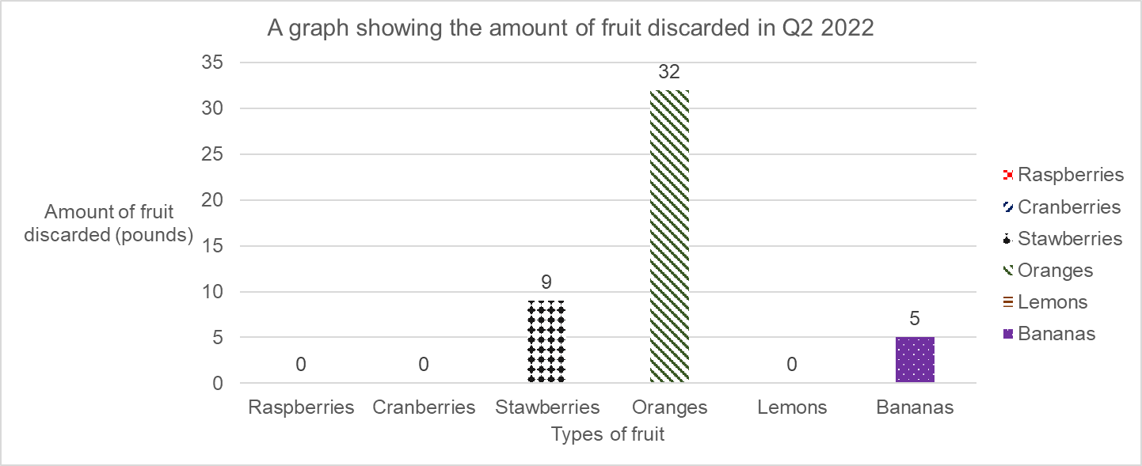

Table 6: The net amount of fruit that was available to use in Q2 2022.
Name | Amount (kilograms) | Price (pounds)
Purchased | 112 | 207.5
Discarded | 21.1 | 46
Total | 90.9 | 161.5

Q3 2022 fruit purchased
Table 7: The amount of fruit we purchased in Quarter 3 (Q3) 2022.
Name | Group | Amount (kilograms) | Price (pounds) | Notes
Raspberries | Berries | 23 | 31 | None
Cranberries | Berries | 18 | 25 | We received a discount to purchase more
Stawberries | Berries | 26 | 24 | None
Oranges | Citrus fruit | 17 | 43 | None
Lemons | Citrus fruit | 8 | 21 | Make sure they are ripe enough.
Bananas | Tropical fruit | 24 | 57 | None
Total | Not applicable | 116 | 201 | Not applicable

Graph 5: The amount of fruit purchased in Q3 2022. The graph shows the data recorded in Table 7.
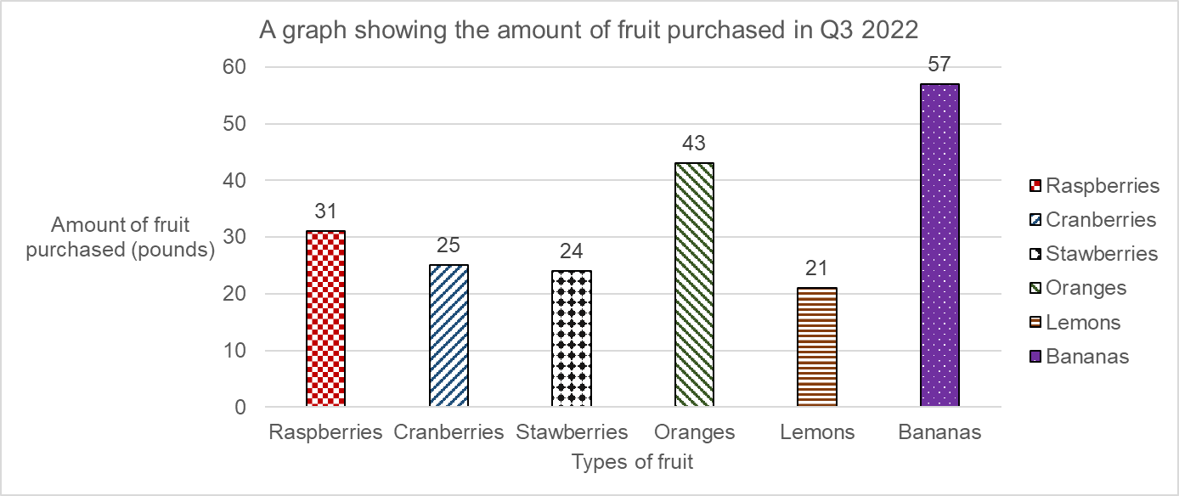

Table 8: The amount of fruit that needed to be discarded from the takings in Q3 2022.
Name | Group | Amount (kilograms) | Price (pounds) | Reason
Raspberries | Berries | 0 | 0 | None were discarded
Cranberries | Berries | 0 | 0 | None were discarded
Stawberries | Berries | 0 | 0 | None were discarded
Oranges | Citrus fruit | 0 | 0 | None were discarded
Lemons | Citrus fruit | 0 | 0 | None were discarded
Bananas | Tropical fruit | 1 | 6 | A few were discarded due to severe bruising
Total | Not applicable | 1 | 6 | Not applicable

Graph 6: The amount of fruit discarded in Q3 2022. The graph shows the data recorded in Table 8.
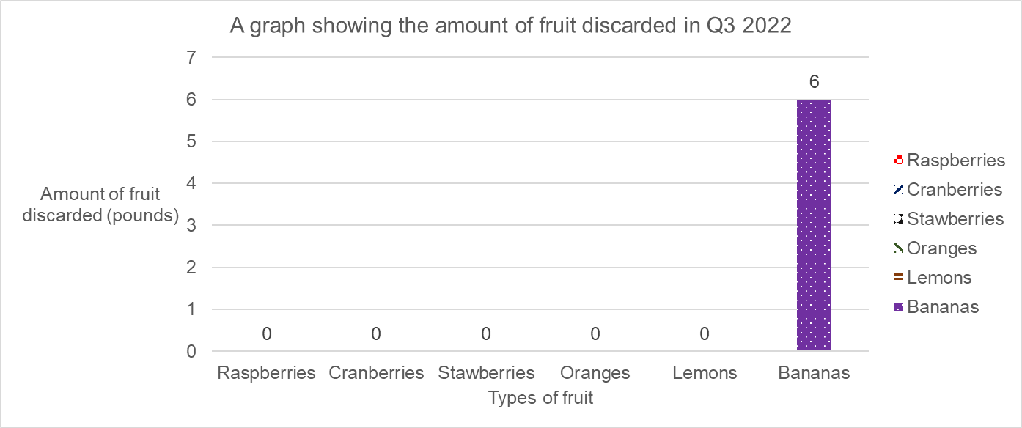

Table 9: The net spend amount of fruit that was available to use in Q3 2022.
Name | Amount (kilograms) | Price (pounds)
Purchased | 116 | 201
Discarded | 1 | 6
Total | 115 | 195

Q4 2022 fruit purchased
Table 10: The amount of fruit we purchased in Quarter 4 (Q4) 2022.
Name | Group | Amount (kilograms) | Price (pounds) | Notes
Raspberries | Berries | 30 | 35 | None
Cranberries | Berries | 12 | 13 | None
Stawberries | Berries | 20 | 18 | None
Oranges | Citrus fruit | 10 | 30 | Supply shortages on the other end
Lemons | Citrus fruit | 8 | 15 | None
Bananas | Tropical fruit | 27 | 59 | None
Total | Not applicable | 107 | 170 | Not applicable

Graph 7: The amount of fruit purchased in Q4 2022. The graph shows the data recorded in Table 9.
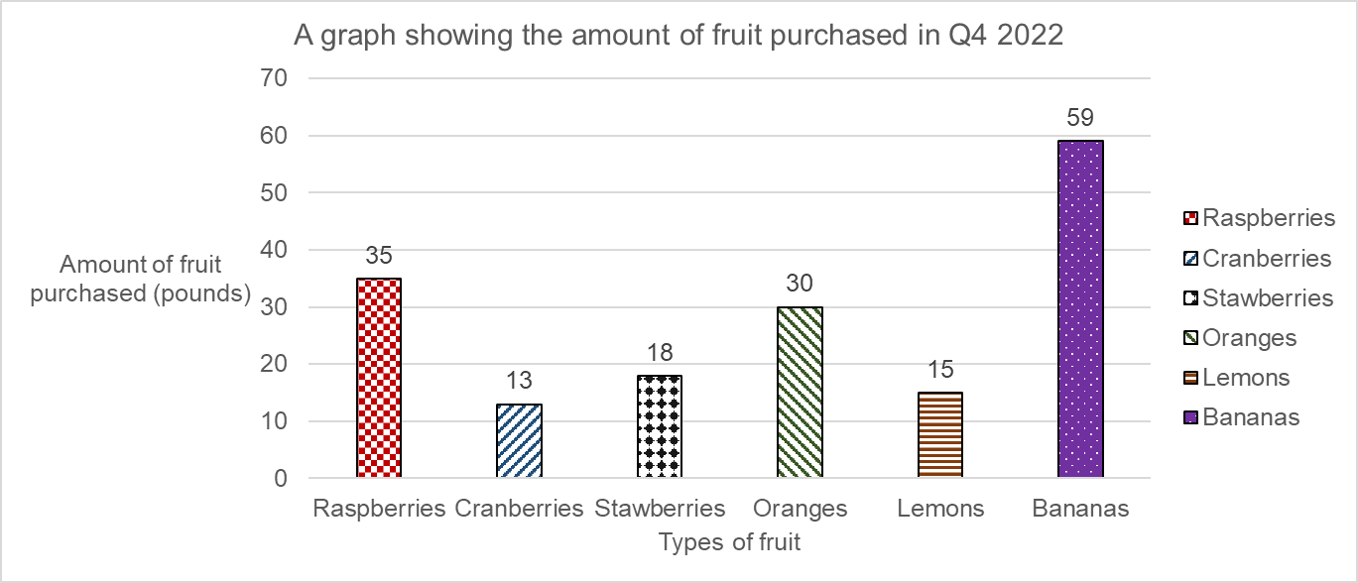

Table 11: The amount of fruit that needed to be discarded from the takings in Q4 2022.
Name | Group | Amount (kilograms) | Price (pounds) | Reason
Raspberries | Berries | 0 | 0 | None were discarded
Cranberries | Berries | 0 | 0 | None were discarded
Stawberries | Berries | 0 | 0 | None were discarded
Oranges | Citrus fruit | 0 | 0 | None were discarded
Lemons | Citrus fruit | 7 | 13 | Most were lost due to disease
Bananas | Tropical fruit | 0 | 0 | None were discarded
Total | Not applicable | 7 | 13 | Not applicable

Graph 8: The amount of fruit discarded in Q4 2022. The graph shows the data recorded in Table 10.
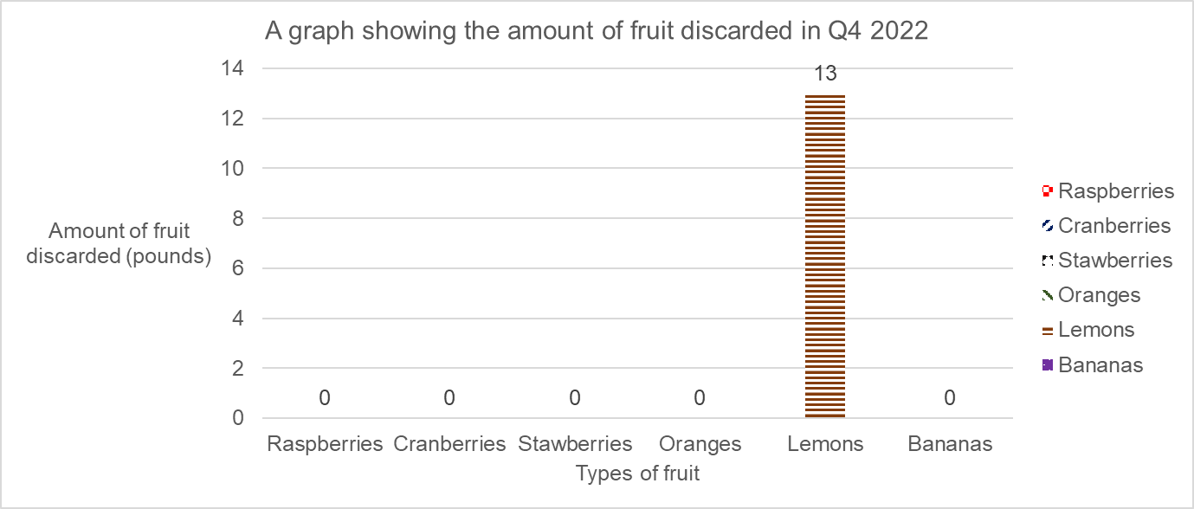

Table 12: The net amount of fruit that was available to use in Q4 2022.
Name | Amount (kilograms) | Price (pounds)
Purchased | 107 | 170
Discarded | 7 | 13
Total | 100 | 157

2022 total fruit purchased
Table 13: The amount of fruit we purchased in 2022 divided by Quarter 1 (Q1) to Quarter 4.
Quarter | Amount (kilograms) | Price (pounds) | Full results
Quarter 1 | 97 | 181 | Q1 breakdown of fruit we purchased
Quarter 2 | 112 | 207.5 | Q2 breakdown of fruit we purchased
Quarter 3 | 116 | 201 | Q3 breakdown of fruit we purchased
Quarter 4 | 107 | 170 | Q4 breakdown of fruit we purchased
Total for 2022 | 432 | 759.5 | Not applicable

Graph 9: The amount of fruit discarded in 2022. The graph shows the data recorded in Table 13.
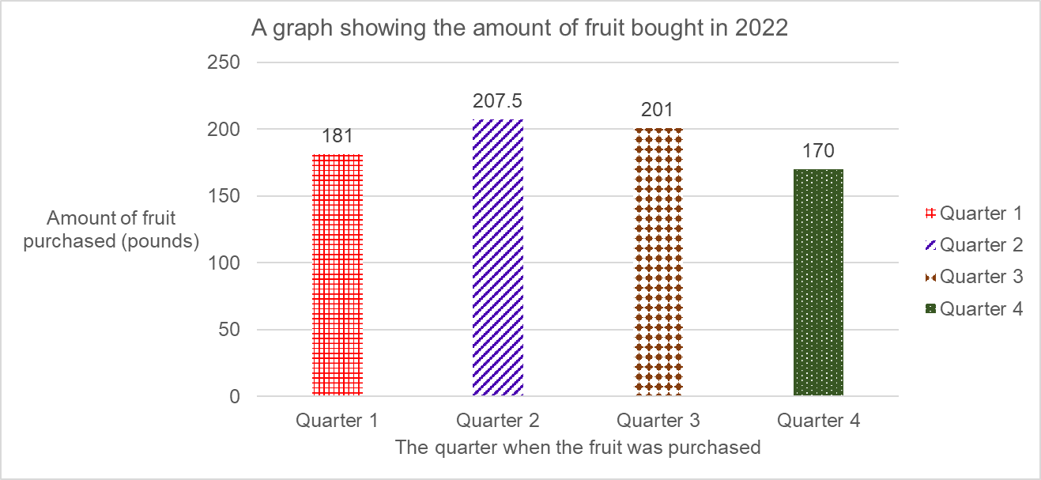

Table 14: The amount of fruit we needed to discard in 2022.
Quarter | Amount (kilograms) | Price (pounds) | Full results
Quarter 1 | 24.3 | 48.5 | Q1 breakdown of fruit we discarded
Quarter 2 | 21.1 | 46 | Q2 breakdown of fruit we discarded
Quarter 3 | 1 | 6 | Q3 breakdown of fruit we discarded
Quarter 4 | 7 | 13 | Q4 breakdown of fruit we discarded
Total for 2022 | 53.4 | 113.5 | Not applicable

Graph 10: The amount of fruit discarded in 2022. The graph shows the data recorded in Table 14.
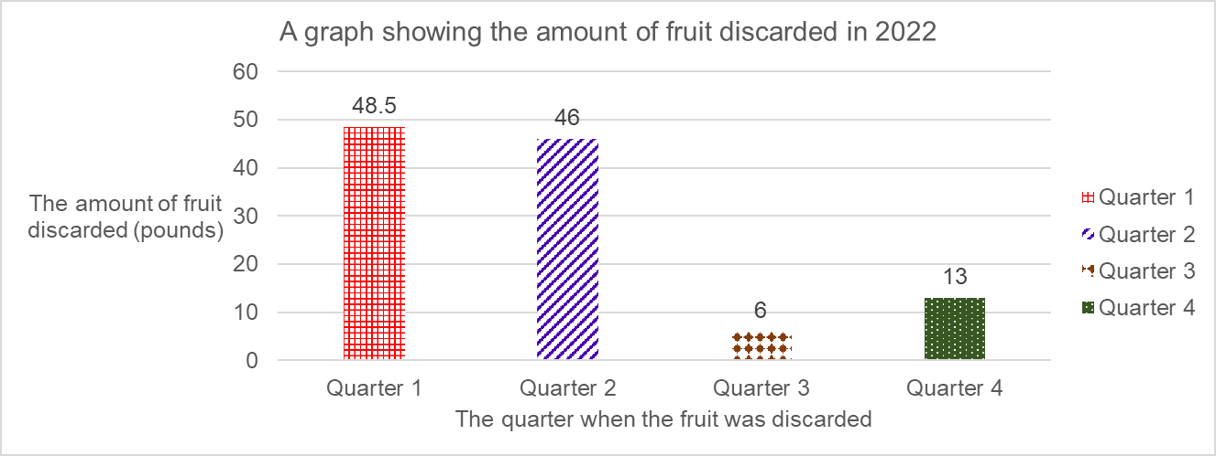

Table 15: The net amount of fruit that was available to use in 2022.
Name | Amount (kilograms) | Price (pounds)
Purchased | 432 | 759.5
Discarded | 53.4 | 113.5
Total | 378.6 | 646

